calc protein syn from AA uptake
composition in protein |  | uptake flux (umol/h/E6 cells) |  |  |  | naïve | naïve error | activated | activated error
amino acid | coeff (mmol/gProtein) | naïve | naïve error | activated | activated error | protein synthesis calculated from uptake (ugProtein/h/E6 cells)
ile__L_c | 0.41 | 0.00043 | 0.00012 | 0.00497 | 0.00087 | 3.91E-01 | 1.03E-01 | 8.12904 | 8.62E-01
leu__L_c | 0.68 | 0.00046 | 0.00014 | 0.00722 | 0.00084
met__L_c | 0.19 | 0.00005 | 0.00004 | 0.00238 | 0.00024
phe__L_c | 0.23 | 0.00010 | 0.00003 | 0.00252 | 0.00016
val__L_c | 0.59 | 0.00019 | 0.00006 | 0.00475 | 0.00033
lys__L_c | 1.07 | 0.00021 | 0.00009 | 0.00665 | 0.00019
thr__L_c | 0.50 | 0.00021 | 0.00007 | 0.00438 | 0.00040

 | linear regression y = k*x |  |  | linear regression y = k*x
 | slope | intercept |  | slope | intercept
value | 3.91E-04 | 0.00E+00 | value | 8.13E-03 | 0.00E+00
error | 1.03E-04 | #N/A | error | 8.62E-04 | #N/A

NADPH pathways
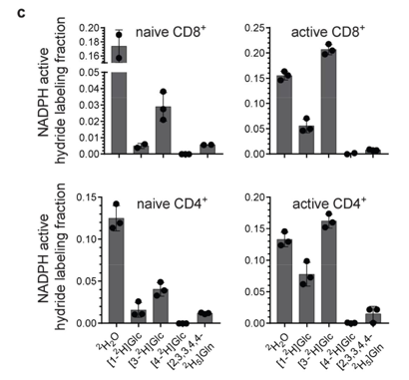
hydride labeling, Fig S10c | naïve CD8+ |  | activated CD8+ |  | from Ghergurovich et al, Nat Chem Biol 2020, https://doi.org/10.1038/s41589-020-0533-x
 | mean | error | mean | error | all in nmol/h/E6
H2O exchange | 0.17 | 0.02 | 0.15 | 0.01
1-2H glucose | 0.01 | 0.00 | 0.06 | 0.01
3-2H glucose | 0.03 | 0.01 | 0.21 | 0.01
4-2H glucose | 0.00 | 0.00 | 0.00 | 0.00
2H5 glutamine | 0.01 | 0.00 | 0.01 | 0.00
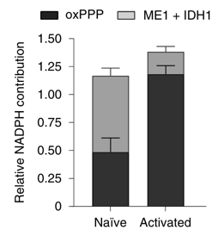
NADPH contribution, Fig. 3c | naïve CD8+ |  | activated CD8+
 | mean | error | mean | error
oxPPP | 0.48 | 0.13 | 1.18 | 0.08
ME1+IDH1 | 0.68 | 0.07 | 0.20 | 0.05
normalized
oxPPP | 0.41 | 0.11 | 0.86 | 0.06
ME1+IDH1 | 0.59 | 0.06 | 0.14 | 0.04

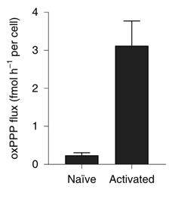
oxPPP flux, Fig. 3b | naïve CD8+ |  | activated CD8+
oxPPP flux | 0.30 | 0.07 | 3.79 | 0.65
IDH1 flux | 0.43 | 0.26 | 0.64 | 0.31

